1. Title Page
[Project Name]

Project Name: Instacart Grocery Analysis
Date:18.02.2022
Analyst Name: Obanla Joseph

Contents:
Population Flow
Consistency checks
Wrangling steps
Column derivations
Visualizations
Recommendations

Data Source
Citation (required in your final report): “The Instacart Online Grocery Shopping Dataset 2017”, Accessed on 10/26/2021 from:

https://www.instacart.com/datasets/grocery-shopping-2017
https://www.beresfordresearch.com/age-range-by-generation/

Objectives
You’re an analyst for an existing company, Instacart, an online grocery store that operates through an app. Instacart already has very good sales, but they want to uncover more information about their sales patterns. Your task is to perform an initial data and exploratory analysis of some of their data in order to derive insights and suggest strategies for better segmentation based on the provided criteria.

2. Population Flow
Title page

Population flow

Exclusion flag
Condition: max_order < 5
Obervations to be removed: i reduced the row to 2000000 because the data frame was too large and it makes the PC run out of memory

Orders_products_combined
Orders_products_merged
Orders_products_all

Total: 32404859
Total: 32404859
Total: 2000000

1.) The grey boxes in the first row of the population flow represent the original data sets as they were when you downloaded them. In the Total fields you need to add the count of the rows when you imported the data set into Jupyter.
2.) The second row of boxes (coloured) represents the data sets after you manipulated them, e.g., removed missing values and duplicates. In the Total fields you need to add the count of the rows after conducting these operations. This offers a visual oveview of how the data flows throughout the data consistency checks.
3.) The third row, where also the arrows are coloured, represents the merges you performed between the datasets. In the Total fields you need to add the count of the rows in the merged datasets, so that you end up with the final dataset (in the red box). Keep in mind the final dataset should be without exclusions (based on the exclusion flag).

3. Consistency checks
 |  |  |  | Title page
Consistency checks

Dataset | Missing values | Missing values treatment | Duplicates
orders | 206209 | imputed the missing values with '0'
products | 16 | Created missing values subset; created new products dataframe excluding these missing values | 5 duplicates found, created new dataframe excluding those variables
orders_products_prior | 0 | - | 0
customers | 0 | - | 0

4. Wrangling steps
 |  |  |  | Title page
Wrangling steps

Columns dropped | Columns renamed | Columns' type changed | Comment/Reason
order_eval_set |  |  | Not needed in the analysis
 | order dow to orders_day_of_week |  | changed to more comprehensive meaning

 |  | Order_id changed to string | discrete analysis cant be performed on the user_id
 | From customer data, the following columns were renamed: Surnam = surname AGE = age FIRST NAME = first name STATE = state |  | Change to be consistence with existing column
 |  | User_id changed to string | discrete analysis cant be performed on the user_id
First Name |  |  | Not needed since the data can identify person
Last Name |  |  | Not needed since the data can identify person
 |  | df_product_name changed to string | discrete analysis cant be performed on the user_id

5. Column derivations
 |  |  |  | Title page

Column derivations and aggregations

In this tab you should add tables below that the frequences of flags/label variables that you produced after deriving them. NB: don't do this for continuous variables, only for flags.
Dataset | New column | Column/s it was derived from | Conditions
ords_prods_merge | spending_habit | average_price | High Spender = average price >= 10; Low Spender = average price < 10
ords_prods_merge | busiest days | orders_day_of_week | set according to most, avergae and fewest orders in a day
ords_prods_merge | busiest_period_of_days | order_hour_day | created according to highest orders in an hour.
ords_prods_merge | price range | prices
df | loyalty_flag | max_order | Loyal customer = max_order > 40; Regular customer = max_order <= 40 and max order > 10; New customer = max_order <= 10
new_customers_products | region | state | Created to group customers based on the region they lived in
new_customers_products | low activity | max order | Defined customer activity based on the max number of orders placed
new_customer_list | age group | age | Created age groups based on age of customers
new_customer_list | income range | income | Created income groups based on income of customers and income tax brackets
new_customer_list | weekday | orders _day _of _ week | Created based on day of the week number
new_customer_list | AGE GROUP in regards to 'Generation' | age | Created to group customers together based on their generation
new_customer_list | income_range | income | Created to group customers together based on their income
new_customer_list | Region | state | Created to group customers based on the region they lived in

6. Visualizations
 |  |  |  |  |  |  |  |  |  |  |  |  |  | Title page

Visualisations

In this tab you should include all the visualtions from Exercises 4.9 and 4.10, alongside the questions from the project brief that they answer. Include any commentary on the relationship between different variables.

Question 1. The sales team needs to know what the busiest days of the week and hours of the day are (i.e., the day and time with the most orders.
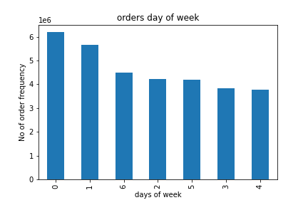
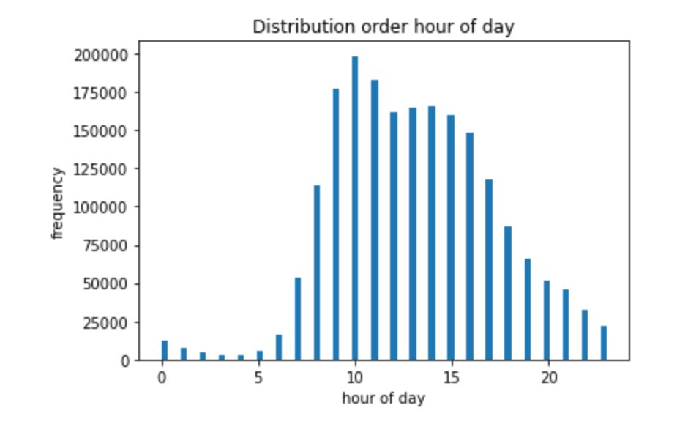

 |  |  | Figure 1 |  |  |  |  |  |  |  |  |  |  |  |  | Figure 2
In figure 1: the distribution shows that most order are placed on the weekend with the highest orders placed on Saturday, this can be as a result of less people working during the weekend and they have time to place orders. Figure 2. Shows that most orders occurs between 10:00am -12:00am

Question 2: Are there particular times of the day when people spend the most money?

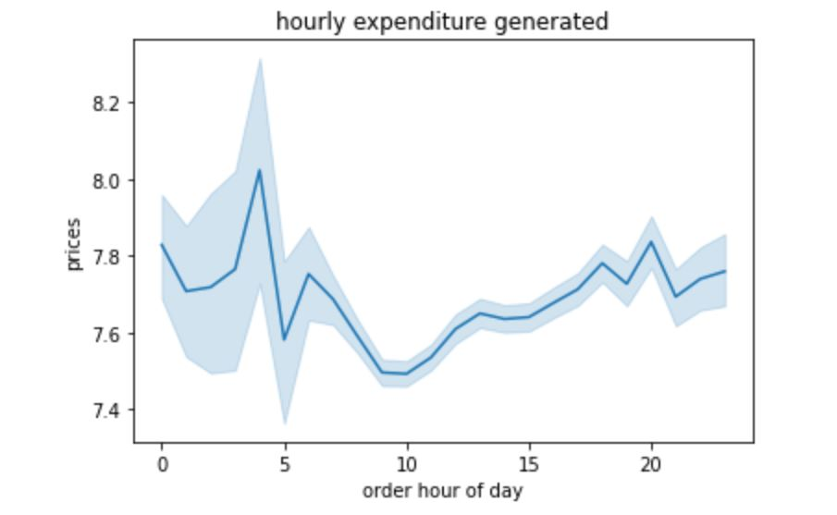 |  |  |  |  |  |  |  |  |  | Figure 3 shows that customer spend least of their money at 10:00am - 12:00am corresponding to the most busiest hours during the day, nonetheless, customers also spend most of the money from 3:00am - 6:00am and expenditure rose again later in the afternoon starting from 2:00 pm and this can as a result of people closing from their various work

 | Figure 3

 | Question 3: 3. Instacart has a lot of products with different price tags. Marketing and sales want to use simpler price range groupings to help direct their efforts.
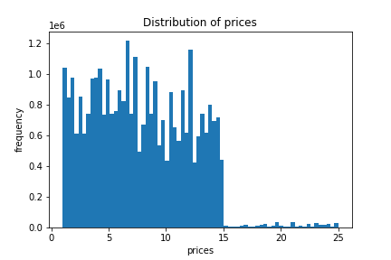
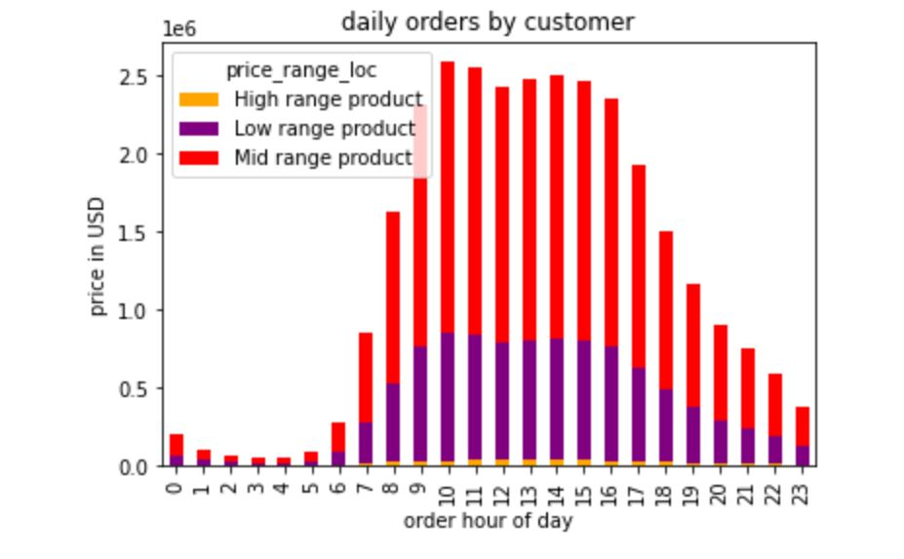

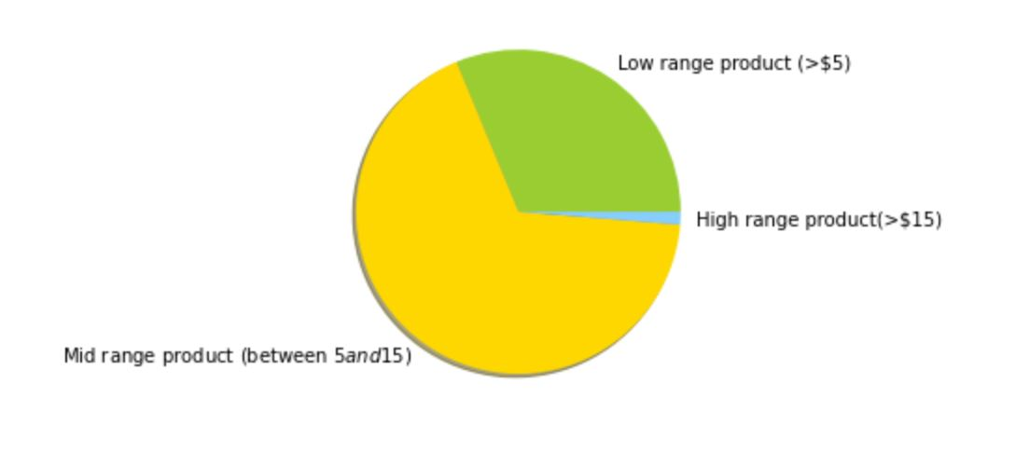

 |  |  |  |  |  |  |  |  |  |  | Figure 5

 | Figure 4 |  |  |  |  |  |  |  |  |  |  |  |  |  |  |  |  |  |  |  |  | Figure 6

 |  | Figure 4 shows that most product bought are between $5 and $15 which falls whereas Figure 5 shows that products in the mid range are odererd more frequenty and falling into the price range $10-$15 compare to the low range. In addition high range products are orderd less probably as a result of price.
 | Question 4: 4. Are there certain types of products that are more popular than others? (Which departments have the highest frequency of product orders?)
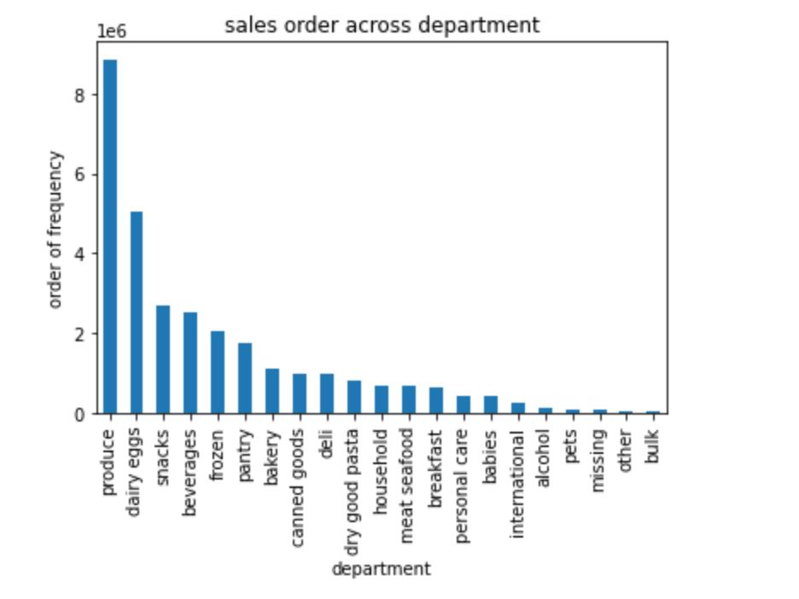

 | Figure7
 | Figure 7 shows that produce is the most popular selling dapartment at Instacart followed by dairy eggs, snacks and beverages where as bulk and other departments are less popular selling deparment

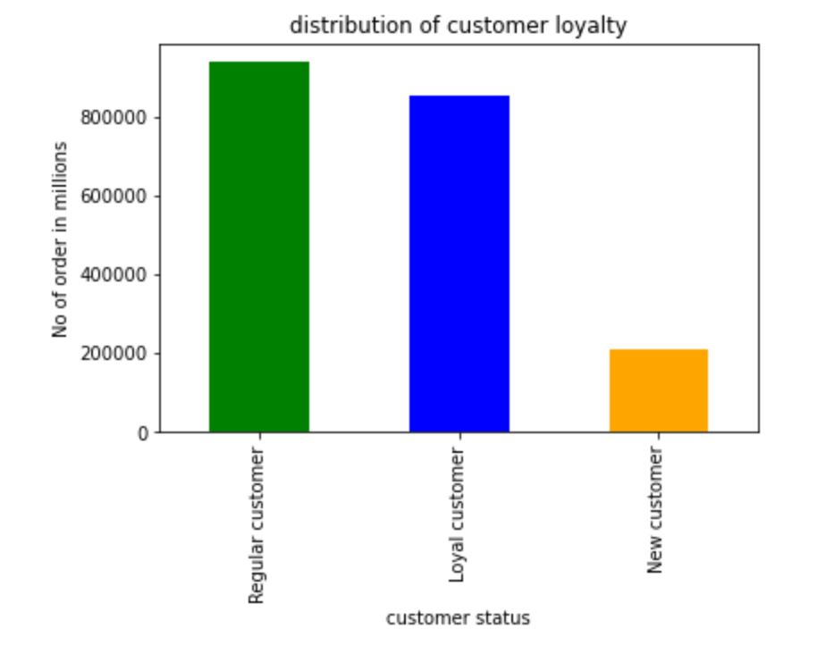
 | 5 a. What's the distribution among users in regards to their brand loyalty?
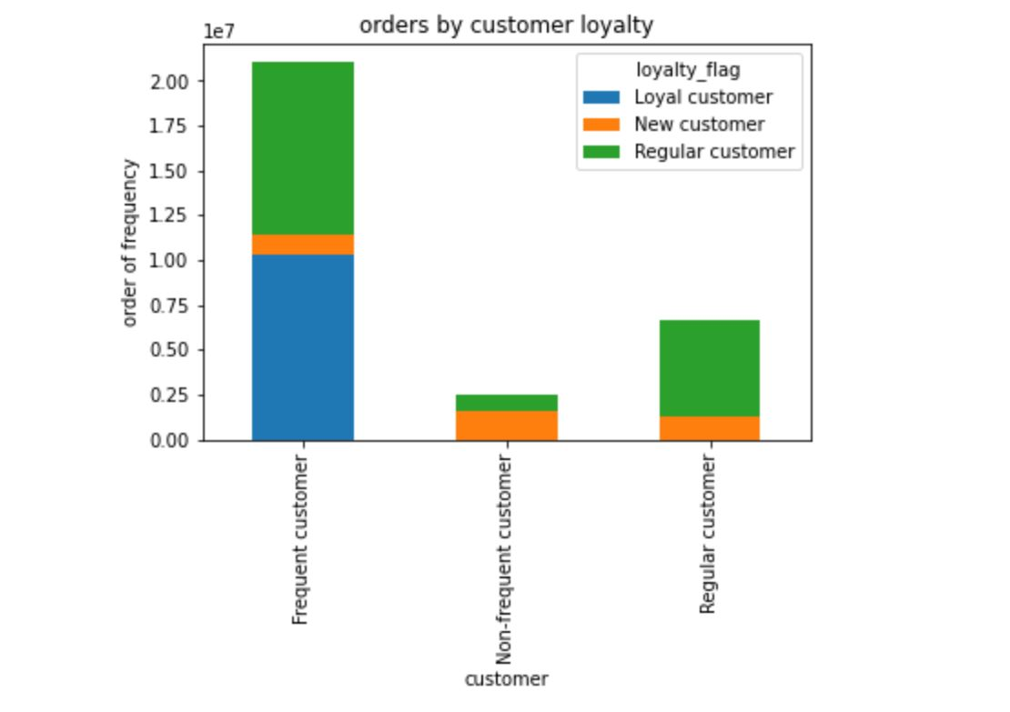

 |  |  |  |  |  |  |  |  |  |  |  |  |  | Figure 9

 |  |  | Figure 8

 | Figure 8. shows that regular customer order far more from instacart compare to new or loyal customer

 | 5b. Are there differences in ordering habits based on a customer’s loyalty status?

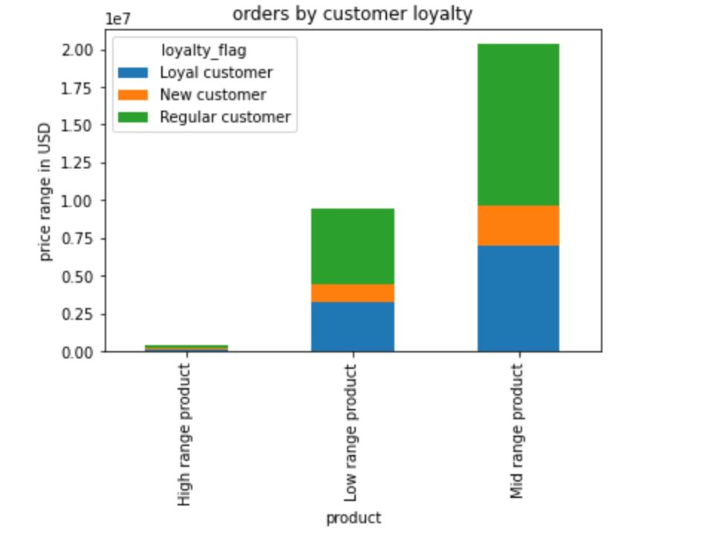
Age categories
Generation Ages
Gen_Z 10-25
Millennials 26-41
Gen_X 42-57
Boomers_II 58-67
Boomers_I 68-76
Post_War 77-94

 | Figure 10
 | Figure 8 shows that regular customers order more product in each price range from instacart compare with the percentage of loyal and New customer and figure 9 also shows the same when looking at the age categories in regards to their generations. |  |  |  |  |  |  |  |  | 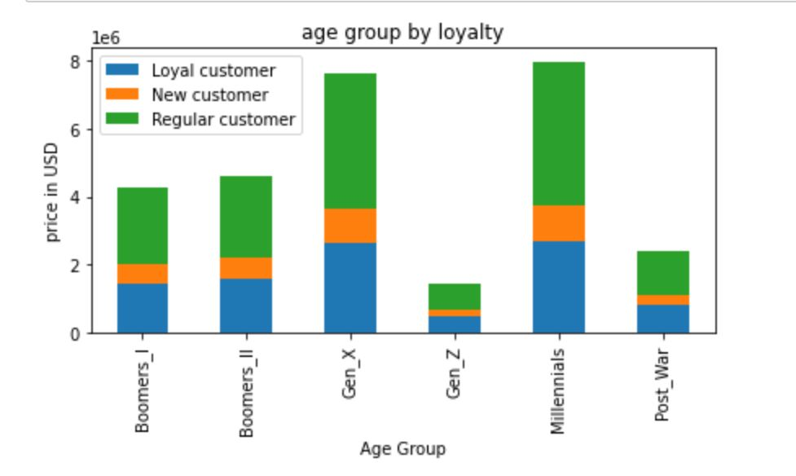
 |  |  |  |  |  |  |  |  |  |  |  |  | Figure 11

 |  |  |  | Figure 10

 | 5c. Are there differences in ordering habits based on a customer’s region?

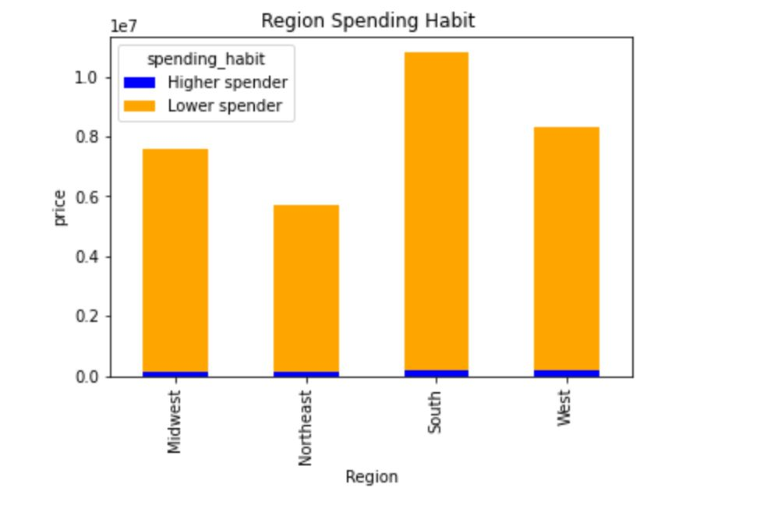
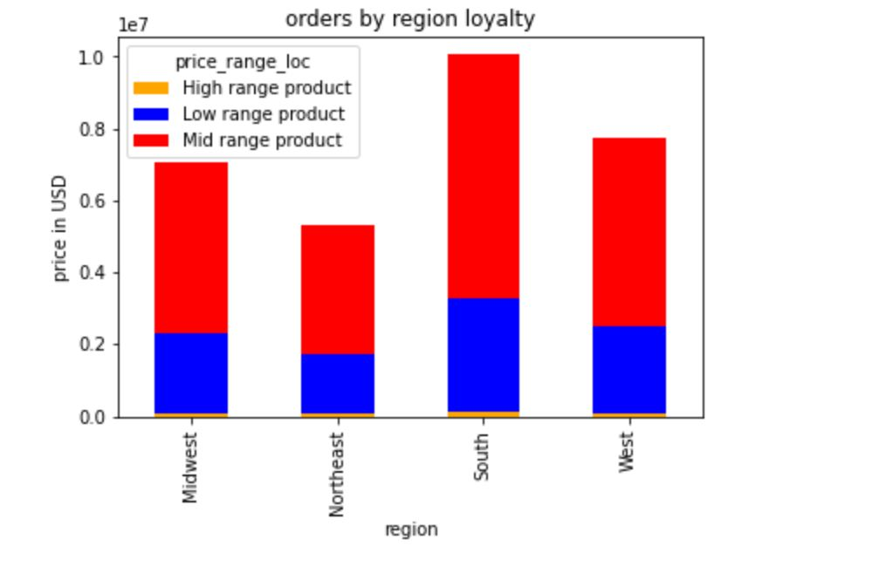

 |  |  |  |  |  |  |  | Answer: As shown in Figure 12. There is a difference spending habits between the regions. South spends more on all the categories of product followed by west and this can be as a result of customer population, since instacart has more customers in the South compare to other region

 |  |  | Figure 12
 |  |  |  |  |  |  |  |  |  |  |  |  |  |  |  |  |  |  | Figure 13

 |  | 5d. Is there a connection between age and family status in terms of ordering habits?
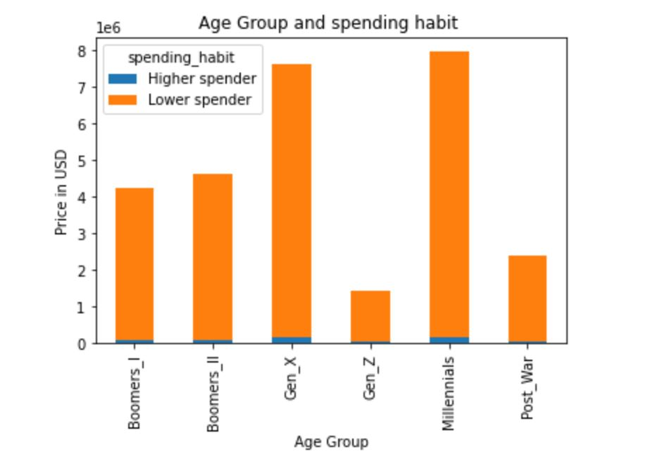
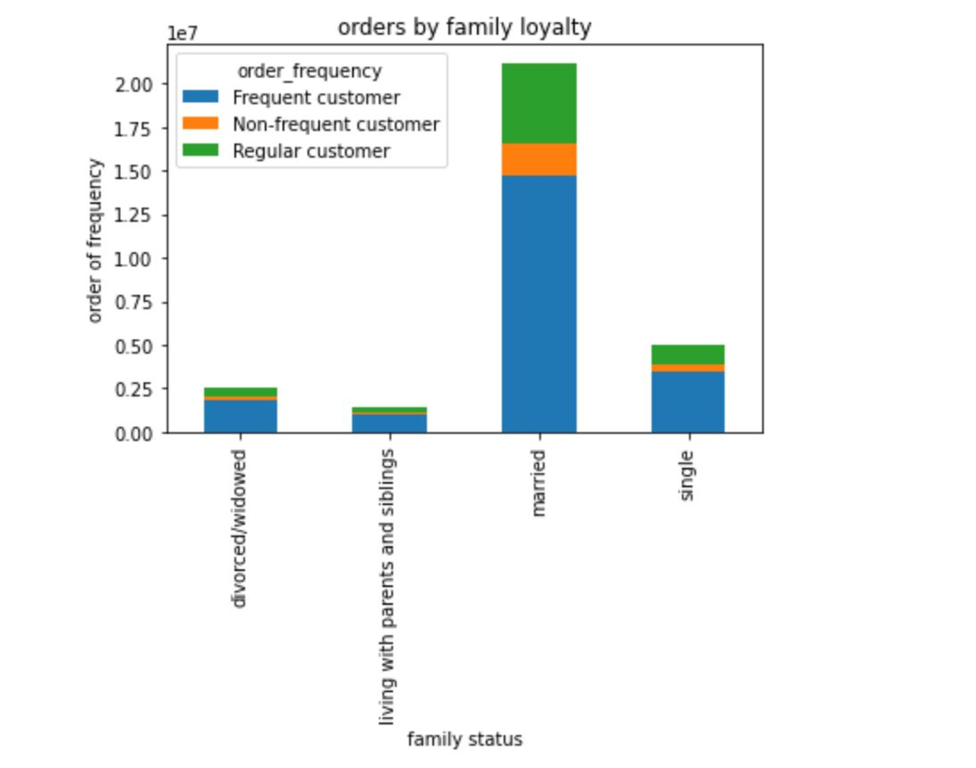
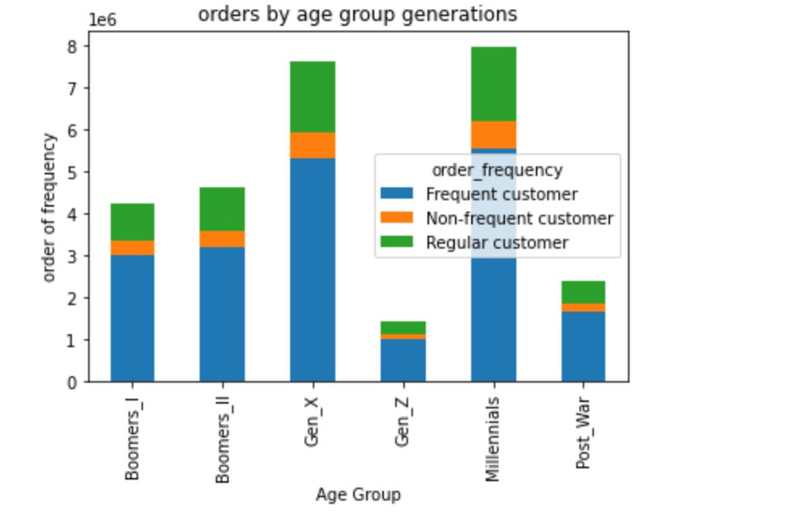
Age categories
Generation Ages
Gen_Z 10-25
Millennials 26-41
Gen_X 42-57
Boomers_II 58-67
Boomers_I 68-76
Post_War 77-94

 |  |  |  |  |  |  |  |  |  |  |  |  |  |  |  |  |  |  |  | Figure 16
 |  |  |  |  |  |  |  |  |  |  | Figure 15

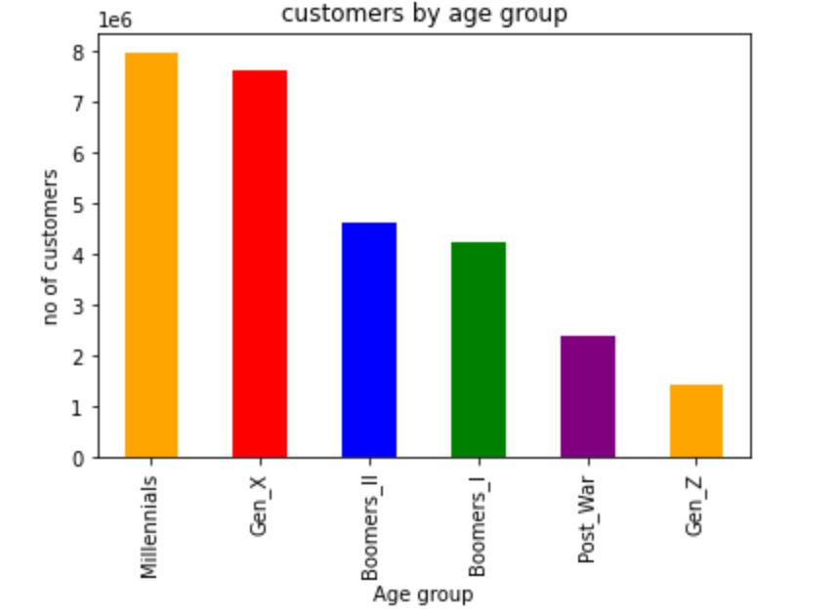

 |  |  | Figure 14

 |  | Answer: Figure 14 shows that there is high rate of regular customer and non frequent customer both in age and family status compare to other status whereas in Figure 15, high rate of regular customer for Millenials followed by Gen X compare to other age group categories. In addition, Figure 16 shows that Millennials emerges as the top both in higher and lower spending rate , followed by Gen_X . This can also be as a result of their population as shown in Figure 17.

 |  | 5e. What different classifications does the demographic information suggest? Age? Income?

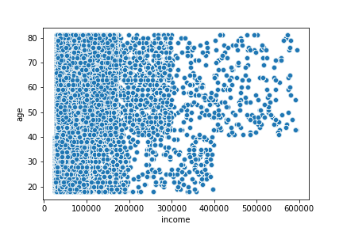
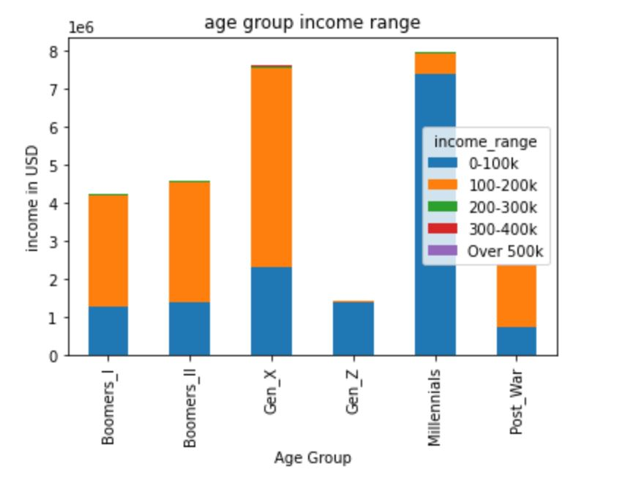
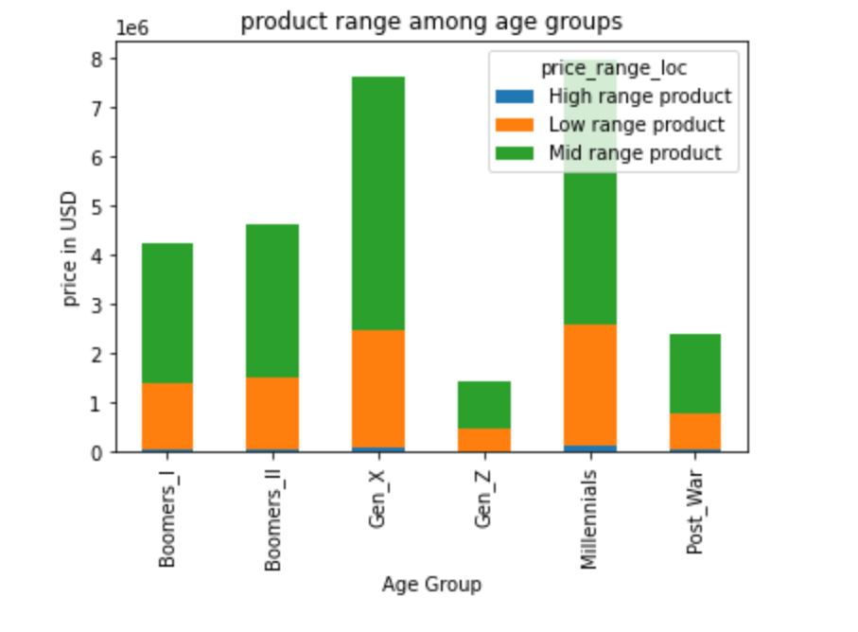

Age categories
Generation Ages
Gen_Z 10-25
Millennials 26-41
Gen_X 42-57
Boomers_II 58-67
Boomers_I 68-76
Post_War 77-94

 |  |  |  |  |  |  |  |  |  |  |  |  |  | Figure 19 |  |  |  |  |  |  | Figure 20
 |  |  |  | Figure 18
 |  | Since there is a relationship between the age and income of customers, Instacart can also find a marketing strategy based on the income and moreover populations of each age also differs, probably selling more high range products to customers in order to have a good market share and be better of other competitors.

 | 5f. What differences can you find in ordering habits of different customer profiles?

 | department_name | alcohol | babies | bakery | beverages | breakfast | bulk | dairy eggs | deli | dry good pasta | ... | household | international | meat seafood | missing | other | pantry | personal care | pets | produce | snacks

 | fam_status
 | divorced/widowed | 96035 | 33567 | 93297 | 215425 | 55090 | 2619 | 432405 | 84521 | 68202 | ... | 56557 | 21162 | 55988 | 4892 | 2779 | 147461 | 35200 | 7754 | 758511 | 230580
 | living with parents and siblings | 24093 | 282645 | 766010 | 1761916 | 459157 | 23391 | 3545576 | 684423 | 561128 | ... | 480022 | 173964 | 463267 | 43918 | 23164 | 1217632 | 289163 | 62378 | 6219441 | 1897867
 | married | 11376 | 67846 | 180800 | 413752 | 106817 | 5216 | 830999 | 162143 | 129988 | ... | 109352 | 41550 | 105087 | 10510 | 5702 | 283399 | 67850 | 15009 | 1461666 | 442718
 | single | 8069 | 19008 | 52381 | 116148 | 32355 | 1615 | 244460 | 46963 | 38365 | ... | 32364 | 12046 | 31387 | 3221 | 1770 | 83622 | 19594 | 5198 | 420326 | 128186

 | Table 1: shows the ordering habits of customers family status across the department
 | Differences is also shown in Figure 14 and Figure 15, whereby married couples emerge as frequent customer compare to other status categories and for the Age group categories, Milliennials emerge as the top most frequent customer and this can also be as a result of thier population. In addition, figure 21 and 22 shows the department that emerge as the top both in the age group and family status.

Recommendations
 |  |  |  |  |  |  |  |  |  |  |  |  |  | Title page

Recommendations
Visualisations

In this tab you should include all the visualtions from Exercises 4.9 and 4.10, alongside the questions from the project brief that they answer. Include any commentary on the relationship between different variables.
In this tab you should include any recommendations you would made to Instcart in terms of their marketing strategy based on the questions posed in the brief. Every key question has been covered in the Tasks of the Exercises - here you need to add an item - a visualisation or table/crosstable that is showing the answer in the data, acompanied by a comment from you. Please, list the questions below and add the answer underneath.

 |  |  | Figure 1 |  |  |  |  |  |  |  |  |  |  |  |  | Figure 2
In figure 1: the distribution shows that most order are placed on the weekend with the highest orders placed on Saturday, this can be as a result of less people working during the weekend and they have time to place orders. Figure 2. Shows that most orders occurs between 10:00am -12:00am
Recommendations: As fewer orders are made during the weekdays, Instacart can increase orders by crearting special offers during the weekdays through discount or products that can satisfy customers during the dinner time. This could be done by adding fresh products or ingredents on their cart list with some advertisement on how these products can easily be used. Moroever, they can also give prepared quality dinner to ease the stress of workers after a long day at work

Question 2: Are there particular times of the day when people spend the most money?

 |  |  |  |  |  |  |  |  |  | Figure 3 shows that customer spend least of their money at 10:00am - 12:00am corresponding to the most busiest hours during the day, nonetheless, customers also spend most of the money from 3:00am - 6:00am and expenditure rose again later in the afternoon starting from 2:00 pm and this can as a result of people closing from their various work

 |  |  | Figure 3

Recommendations: Since customer spent most of their money between the hour of 3:00-7:00 am before work reason being is customer needs to have breakfast before the work day commences, more also Instacart can increase the expenditure at around 10:00am through some actions either by pushing ads that promote snacks during this hour or through a sales promotion such as buy one and take two during this period or offering delivery to customers at their respective place of work or stay

 |  |  |  |  |  |  |  |  |  |  |  |  |  | Figure 5 |  |  |  |  |  |  |  | Figure 6
 | Figure 4

 |  | Figure 4 shows that most product bought are between $5 and $15 which falls whereas Figure 5 shows that products in the mid range are odererd more frequenty and falling into the price range $10-$15 compare to the low range. In addition high range products are orderd less probably as a result of price.
 | Recommendations As high rate products are ordered the least, Instacart should do further analysis to idenitfy the weaknesses around this products which can be as a result of price or probably it fits some certain occasions, so they can promote the products that links to some particular event on daily basis, more ads can be pushed for this high range products and to understand if this products specifically target some age groups

 | Question 4: 4. Are there certain types of products that are more popular than others? (Which departments have the highest frequency of product orders?)

 | Figure7
 | Figure 7 shows that produce is the most popular selling dapartment at Instacart followed by dairy eggs, snacks and beverages where as bulk and other departments are less popular selling deparment
 | Recommendations Rearrangement of department that are not doing well interms of sales in such a way people coming to shop can walk through and this might probably enhance the consumers probability to remember about the product and feel the needs for buying them. Moreover, some changes can be implmented in the way products are displayed on the shelves.

 | 5 a. What's the distribution among users in regards to their brand loyalty?

 |  |  |  |  |  |  |  |  |  |  |  |  |  | Figure 9

 | Figure 8. shows that regular customer order far more from instacart compare to new or loyal customer
Recommendations Instacart should reward loyal customers by creating sales discount since this may increase brand loyalty as well as the average spend per loyal customers. New customers can be encouraged to order more through coupouns or through loyalty cards which automatically add points on their card per order and later can be rewarded with gifts after reaching some certain points

5b. Are there differences in ordering habits based on a customer’s loyalty status?

Age categories
Generation Ages
Gen_Z 10-25
Millennials 26-41
Gen_X 42-57
Boomers_II 58-67
Boomers_I 68-76
Post_War 77-94
 | Figure 10 |  |  |  |  |  |  |  |  |  |  | Figure 11
 | Figure 8 shows that regular customers order more product in each price range from instacart compare with the percentage of loyal and New customer and figure 9 also shows the same when looking at the age categories in regards to their generations.
 | Recommendations: As there are no significance differences in ordering habits between the customer loyalty status, more ads can be pushed equally among the products range category in order to increase expenditure in loyalty group status.

 |  |  |  |  |  |  |  | Answer: As shown in Figure 12. There is a difference spending habits between the regions. South spends more on all the categories of product followed by west and this can be as a result of customer population, since instacart has more customers in the South compare to other region

 |  |  |  |  |  |  |  | Recommendations: There are more orders in the South region due to the larger customer base. For this reason, Instacart can also increase the customer base in other three regions which will automatically boost orders and a channel to make more profit. In addition, marketing campaings should be done in those regions to increase customer awareness

 |  |  | Figure 12 |  |  |  |  |  |  |  |  |  |  |  |  |  |  |  | figure 13

 |  | 5d. Is there a connection between age and family status in terms of ordering habits?

Age categories
Generation Ages
Gen_Z 10-25
Millennials 26-41
Gen_X 42-57
Boomers_II 58-67
Boomers_I 68-76
Post_War 77-94

 |  |  |  |  |  |  |  |  |  |  |  | figure 15

 |  |  |  |  |  |  |  |  |  |  |  |  |  |  |  |  |  | Figure 16

 |  |  | Figure 14

 |  | Answer: Figure 14 shows that there is high rate of regular customer and non frequent customer both in age and family status compare to other status whereas in Figure 15, high rate of regular customer for Millenials followed by Gen X compare to other age group categories. In addition, Figure 16 shows that Millennials emerges as the top both in higher and lower spending rate , followed by Gen_X . This can also be as a result of their population as shown in Figure 17.

 |  | Recommendations: Since Married customers account for the most orders across each loyalty status, coupons could be created as a rewards.

 |  | 5e. What different classifications does the demographic information suggest? Age? Income? |  |  |  |  |  |  |  |  |  |  |  |  |  | Figure 17

Age categories
Generation Ages
Gen_Z 10-25
Millennials 26-41
Gen_X 42-57
Boomers_II 58-67
Boomers_I 68-76
Post_War 77-94

 |  |  |  |  |  |  |  |  |  |  |  |  |  | Figure 19 |  |  |  |  |  |  | Figure 20
 |  |  |  | Figure 18
 |  | Recommendations: Since there is a relationship between the age and income of customers, Instacart can also find a marketing strategy based on the income and moreover populations of each age also differs, probably selling more high range products to customers in order to have a good market share and be better of other competitors.

 | 5f. What differences can you find in ordering habits of different customer profiles?

 | department_name | alcohol | babies | bakery | beverages | breakfast | bulk | dairy eggs | deli | dry good pasta | ... | household | international | meat seafood | missing | other | pantry | personal care | pets | produce | snacks

 | fam_status
 | divorced/widowed | 96035 | 33567 | 93297 | 215425 | 55090 | 2619 | 432405 | 84521 | 68202 | ... | 56557 | 21162 | 55988 | 4892 | 2779 | 147461 | 35200 | 7754 | 758511 | 230580
 | living with parents and siblings | 24093 | 282645 | 766010 | 1761916 | 459157 | 23391 | 3545576 | 684423 | 561128 | ... | 480022 | 173964 | 463267 | 43918 | 23164 | 1217632 | 289163 | 62378 | 6219441 | 1897867
 | married | 11376 | 67846 | 180800 | 413752 | 106817 | 5216 | 830999 | 162143 | 129988 | ... | 109352 | 41550 | 105087 | 10510 | 5702 | 283399 | 67850 | 15009 | 1461666 | 442718
 | single | 8069 | 19008 | 52381 | 116148 | 32355 | 1615 | 244460 | 46963 | 38365 | ... | 32364 | 12046 | 31387 | 3221 | 1770 | 83622 | 19594 | 5198 | 420326 | 128186

 | Differences is also shown in Figure 14 and Figure 15, whereby married couples emerge as frequent customer compare to other status categories and for the Age group categories, Milliennials emerge as the top most frequent customer and this can also be as a result of thier population. In addition, figure 21 and 22 shows the department that emerge as the top both in the age group and family status. Recommnedation Millennials and Gen X generations bought the most high range products leaving out the other age categories, It will be a good marketing strategy if high range produts that fits each age generations can be advertise and stock more on the shelves.

